ct001_univ_saldo-Saldo Cateira
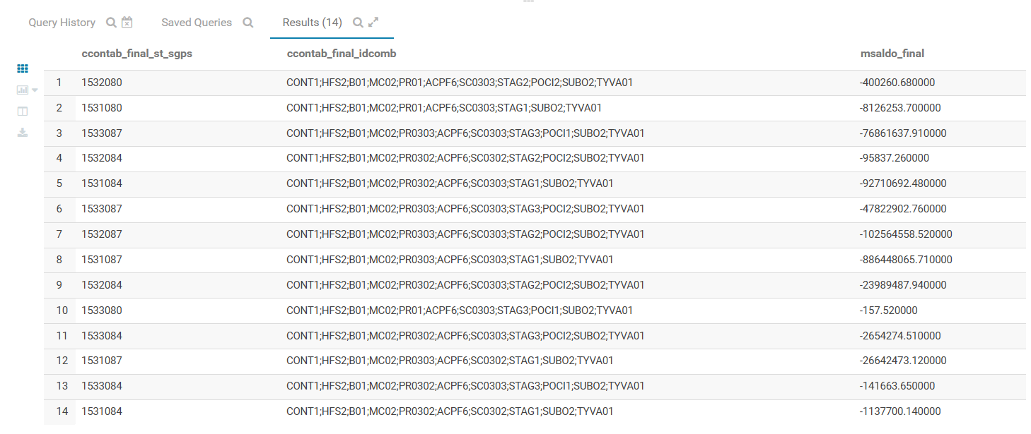
carteira | ccontab_final_st_sgps | ccontab_final_idcomb | msaldo_final
CRE | 1532080 | CONT1;HFS2;B01;MC02;PR01;ACPF6;SC0303;STAG2;POCI2;SUBO2;TYVA01 | -400260.68
CRE | 1531080 | CONT1;HFS2;B01;MC02;PR01;ACPF6;SC0303;STAG1;SUBO2;TYVA01 | -8126253.7
CRE | 1531084 | CONT1;HFS2;B01;MC02;PR0302;ACPF6;SC0303;STAG1;SUBO2;TYVA01 | -92710692.48
CRE | 1533087 | CONT1;HFS2;B01;MC02;PR0303;ACPF6;SC0303;STAG3;POCI1;SUBO2;TYVA01 | -76861637.91
CRE | 1532084 | CONT1;HFS2;B01;MC02;PR0302;ACPF6;SC0302;STAG2;POCI2;SUBO2;TYVA01 | -95837.26
CRE | 1533087 | CONT1;HFS2;B01;MC02;PR0303;ACPF6;SC0303;STAG3;POCI2;SUBO2;TYVA01 | -47822902.76
CRE | 1532087 | CONT1;HFS2;B01;MC02;PR0303;ACPF6;SC0303;STAG2;POCI2;SUBO2;TYVA01 | -102564558.52
CRE | 1531087 | CONT1;HFS2;B01;MC02;PR0303;ACPF6;SC0303;STAG1;SUBO2;TYVA01 | -886448065.71
CRE | 1532084 | CONT1;HFS2;B01;MC02;PR0302;ACPF6;SC0303;STAG2;POCI2;SUBO2;TYVA01 | -23989487.94
CRE | 1533080 | CONT1;HFS2;B01;MC02;PR01;ACPF6;SC0303;STAG3;POCI1;SUBO2;TYVA01 | -157.52
CRE | 1533084 | CONT1;HFS2;B01;MC02;PR0302;ACPF6;SC0303;STAG3;POCI2;SUBO2;TYVA01 | -2654274.51
CRE | 1533084 | CONT1;HFS2;B01;MC02;PR0302;ACPF6;SC0303;STAG3;POCI1;SUBO2;TYVA01 | -141663.65
CRE | 1531087 | CONT1;HFS2;B01;MC02;PR0303;ACPF6;SC0302;STAG1;SUBO2;TYVA01 | -26642473.12
CRE | 1531084 | CONT1;HFS2;B01;MC02;PR0302;ACPF6;SC0302;STAG1;SUBO2;TYVA01 | -1137700.14
Mortgage | 1533087 | CONT1;HFS2;B01;MC02;PR0303;ACPF6;SC0304;STAG3;POCI1;SUBO2;TYVA01 | -1783492.81
Mortgage | 1532084 | CONT1;HFS2;B01;MC02;PR0302;ACPF6;SC0304;STAG2;POCI2;SUBO2;TYVA01 | -8242581.34
Mortgage | 1533084 | CONT1;HFS2;B01;MC02;PR0302;ACPF6;SC0304;STAG3;POCI2;SUBO2;TYVA01 | -2210225.36
Mortgage | 1531084 | CONT1;HFS2;B01;MC02;PR0302;ACPF6;SC0304;STAG1;SUBO2;TYVA01 | -37908252.03
Mortgage | 1533087 | CONT1;HFS2;B01;MC02;PR0303;ACPF6;SC0304;STAG3;POCI2;SUBO2;TYVA01 | -233748379.62
Mortgage | 1531087 | CONT1;HFS2;B01;MC02;PR0303;ACPF6;SC0304;STAG1;SUBO2;TYVA01 | -21599825540
Mortgage | 1532087 | CONT1;HFS2;B01;MC02;PR0303;ACPF6;SC0304;STAG2;POCI1;SUBO2;TYVA01 | -4784084.43
Mortgage | 1532087 | CONT1;HFS2;B01;MC02;PR0303;ACPF6;SC0304;STAG2;POCI2;SUBO2;TYVA01 | -1417484024.6

